Legend
graph |  | survey 1 | survey 1 | survey 2 | survey 2 | survey 3 | survey 3
Graph A | 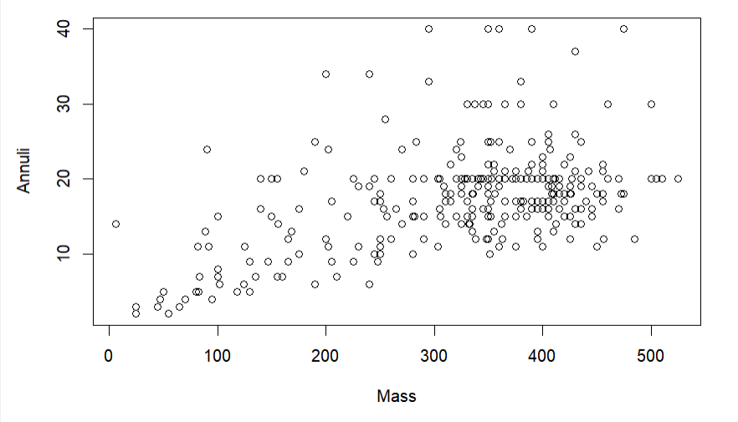 | nonlin | q7 | linear | q8 | no line | q4
Graph B | 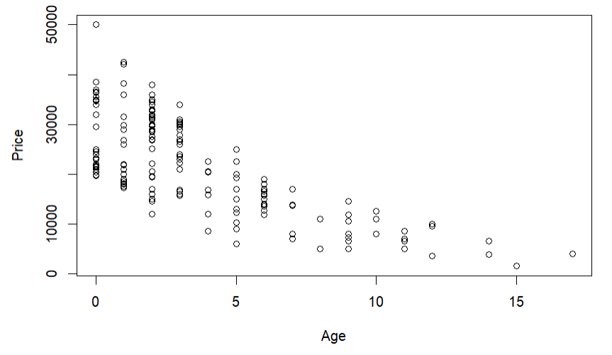 | linear | q1 | nonlin | q3 | no line | q7
Graph C | 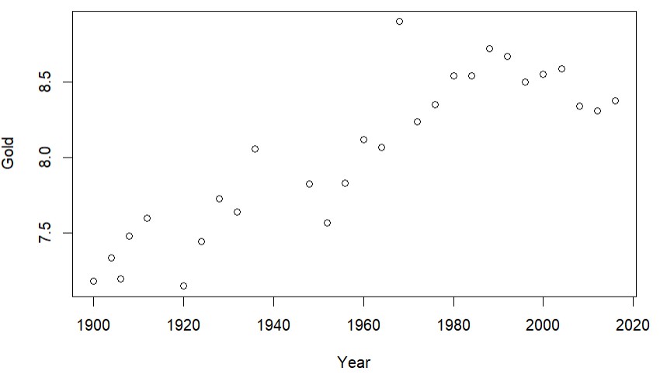 | no line | q2 | linear | q4 | nonlin | q3
Graph D | 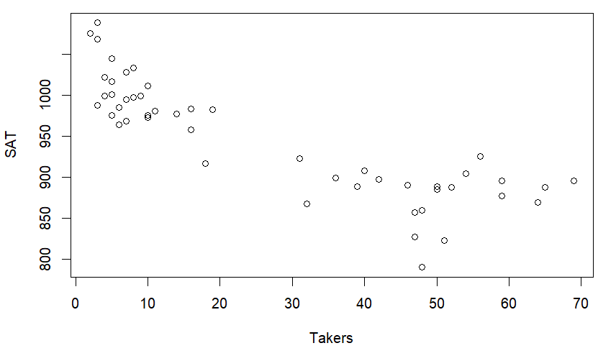 | no line | q3 | nonlin | q7 | linear | q5
Graph 1 | 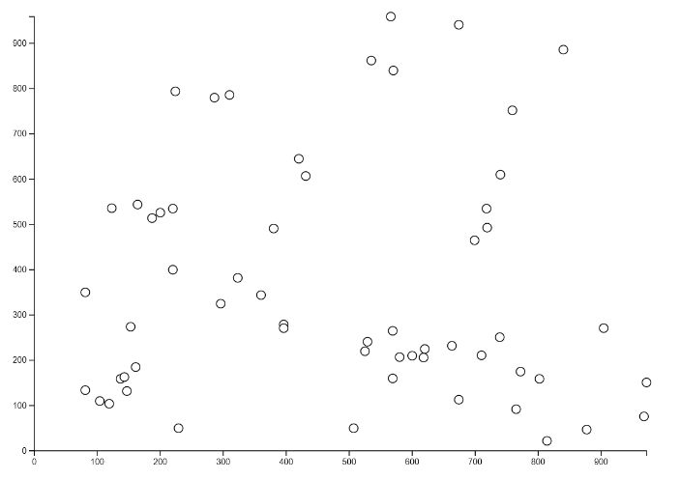 | nonlin | q4 | linear | q1 | no line | q8
Graph 2 | 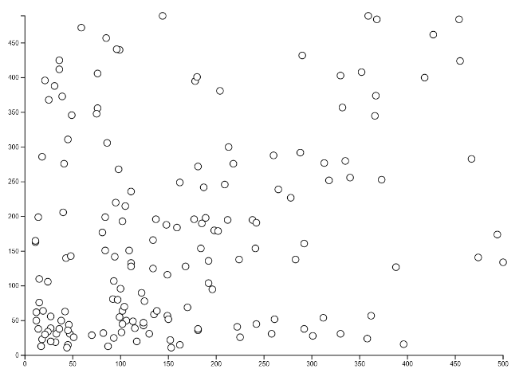 | nonlin | q5 | no line | q2 | linear | q6
Graph 3 | 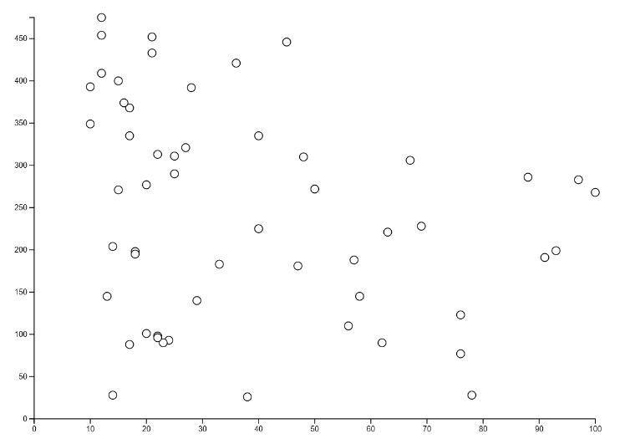 | nonlin | q6 | no line | q5 | linear | q1
Graph 4 | 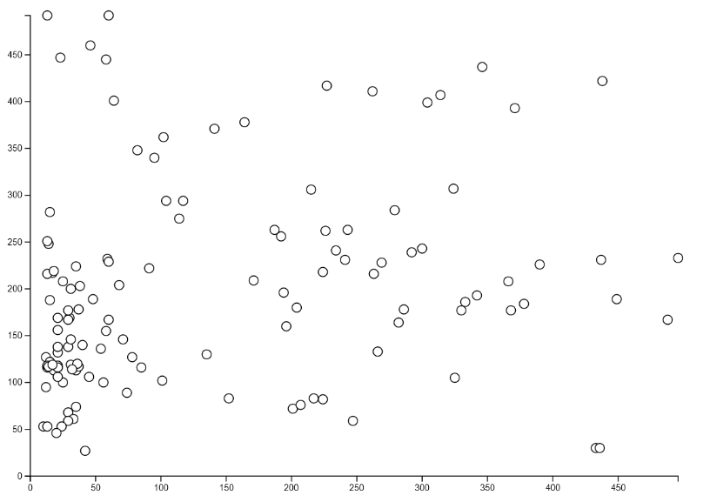 | no line | q8 | nonlin | q6 | linear | q2

